cov
Week | TSLA Protfolio returns | VOW.DE Portfolio Returns | dev TSLA | dev VOW.DE | Product |  | TSLA | VOW.DE
1 | -2.00% | 0.19% | -2.51% | -0.17% | 0.0043% | Cov | 0.000518
2 | -4.15% | -2.46% | -4.67% | -2.83% | 0.1321% | Correlation | 0.16
3 | 2.64% | 4.35% | 2.13% | 3.99% | 0.0848%
4 | -1.69% | -3.62% | -2.20% | -3.99% | 0.0879% | manual | 0.000518
5 | 1.58% | -2.42% | 1.07% | -2.78% | -0.0297% | stdve | 0.07 | 0.05
6 | -7.81% | 2.97% | -8.33% | 2.60% | -0.2168%
VOW.DE Portfolio Returns vs. TSLA Protfolio returns
7 | -1.25% | -0.57% | -1.76% | -0.94% | 0.0165%
8 | 4.85% | -4.02% | 4.33% | -4.39% | -0.1900%
9 | 0.87% | 1.02% | 0.35% | 0.65% | 0.0023%
10 | 5.77% | 8.84% | 5.26% | 8.48% | 0.4457%
11 | 9.99% | 3.48% | 9.48% | 3.12% | 0.2956%
12 | -3.28% | -3.51% | -3.79% | -3.88% | 0.1472%
13 | -5.86% | 5.06% | -6.38% | 4.70% | -0.2994%
14 | -5.92% | 3.83% | -6.44% | 3.47% | -0.2232%
15 | 5.27% | -0.11% | 4.75% | -0.47% | -0.0226%
16 | -1.27% | -1.14% | -1.79% | -1.50% | 0.0268%
17 | 6.24% | 1.82% | 5.73% | 1.45% | 0.0831%
18 | -3.80% | -3.56% | -4.32% | -3.92% | 0.1693%
19 | -2.40% | 1.73% | -2.92% | 1.36% | -0.0397%
20 | 3.36% | -5.80% | 2.85% | -6.16% | -0.1755%
21 | 7.61% | -4.75% | 7.09% | -5.11% | -0.3627%
22 | 12.85% | 1.78% | 12.34% | 1.41% | 0.1740%
23 | 5.08% | -0.78% | 4.57% | -1.15% | -0.0524%
24 | -1.81% | -2.67% | -2.32% | -3.03% | 0.0704%
25 | 2.86% | 2.94% | 2.34% | 2.58% | 0.0604%
26 | 0.28% | 4.40% | -0.24% | 4.04% | -0.0097%
27 | 8.93% | 6.95% | 8.41% | 6.59% | 0.5541%
28 | -4.25% | -10.88% | -4.76% | -11.24% | 0.5357%
29 | -4.12% | 11.05% | -4.64% | 10.69% | -0.4956%
30 | 5.15% | -5.33% | 4.63% | -5.70% | -0.2640%
31 | -0.58% | 5.52% | -1.10% | 5.15% | -0.0567%
32 | -2.56% | -1.33% | -3.07% | -1.70% | 0.0523%
33 | 0.46% | 5.46% | -0.06% | 5.10% | -0.0030%
34 | -0.97% | -1.77% | -1.48% | -2.14% | 0.0317%
35 | 10.22% | -3.00% | 9.71% | -3.37% | -0.3271%
36 | -14.81% | -3.92% | -15.33% | -4.28% | 0.6565%
37 | 2.10% | 7.93% | 1.58% | 7.57% | 0.1198%
38 | -3.04% | -7.45% | -3.56% | -7.81% | 0.2778%
39 | 17.34% | 1.37% | 16.82% | 1.00% | 0.1686%
40 | 3.85% | 3.40% | 3.33% | 3.03% | 0.1011%
41 | 0.79% | -1.65% | 0.28% | -2.01% | -0.0056%
42 | 18.06% | 9.74% | 17.54% | 9.37% | 1.6443%
43 | -4.34% | 4.28% | -4.85% | 3.91% | -0.1898%
44 | 5.38% | -2.72% | 4.86% | -3.08% | -0.1500%
45 | -9.15% | -9.22% | -9.67% | -9.58% | 0.9264%
46 | 5.97% | -4.29% | 5.45% | -4.66% | -0.2539%
47 | -0.51% | -5.47% | -1.02% | -5.84% | 0.0598%
48 | -4.83% | -1.17% | -5.35% | -1.54% | 0.0821%
49 | -10.35% | 3.65% | -10.86% | 3.28% | -0.3567%
50 | -13.27% | 4.59% | -13.78% | 4.22% | -0.5818%
51 | -5.07% | -1.16% | -5.59% | -1.53% | 0.0853%
52 | -1.60% | 7.42% | -2.11% | 7.05% | -0.1491%

regression
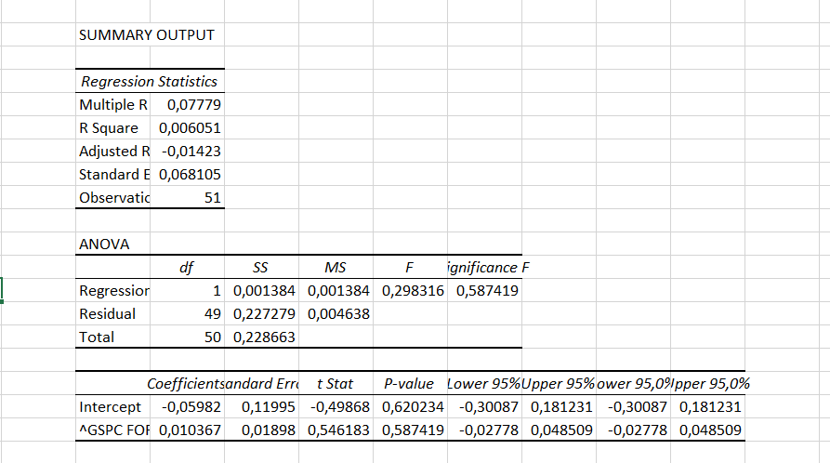
6 | Date | wekkly return for TSLA | ^GSPC FOR TESLA
DO NOT CHANGE THIS COLUMN | 2/6/2026
 | 2/2/2026 | -0.02
1 | 1/26/2026 | -0.04 | 6,939
1 | 1/19/2026 | 0.03 | 6,916
1 | 1/12/2026 | -0.02 | 6,940
1 | 1/5/2026 | 0.02 | 6,966
1 | 12/29/2025 | -0.08 | 6,858
1 | 12/22/2025 | -0.01 | 6,930
 | 12/15/2025 | 0.05 | 6,835
 | 12/8/2025 | 0.01 | 6,827
 | 12/1/2025 | 0.06 | 6,870
 | 11/24/2025 | 0.10 | 6,849
 | 11/17/2025 | -0.03 | 6,603
 | 11/10/2025 | -0.06 | 6,734
 | 11/3/2025 | -0.06 | 6,729
 | 10/27/2025 | 0.05 | 6,840
 | 10/20/2025 | -0.01 | 6,792
 | 10/13/2025 | 0.06 | 6,664
 | 10/6/2025 | -0.04 | 6,553
 | 9/29/2025 | -0.02 | 6,716
 | 9/22/2025 | 0.03 | 6,644
 | 9/15/2025 | 0.08 | 6,664
 | 9/8/2025 | 0.13 | 6,584
 | 9/1/2025 | 0.05 | 6,482
 | 8/25/2025 | -0.02 | 6,460
 | 8/18/2025 | 0.03 | 6,467
 | 8/11/2025 | 0.00 | 6,450
 | 8/4/2025 | 0.09 | 6,389
 | 7/28/2025 | -0.04 | 6,238
 | 7/21/2025 | -0.04 | 6,389
 | 7/14/2025 | 0.05 | 6,297
 | 7/7/2025 | -0.01 | 6,260
 | 6/30/2025 | -0.03 | 6,279
 | 6/23/2025 | 0.00 | 6,173
 | 6/16/2025 | -0.01 | 5,968
 | 6/9/2025 | 0.10 | 5,977
 | 6/2/2025 | -0.15 | 6,000
 | 5/26/2025 | 0.02 | 5,912
 | 5/19/2025 | -0.03 | 5,803
 | 5/12/2025 | 0.17 | 5,958
 | 5/5/2025 | 0.04 | 5,660
 | 4/28/2025 | 0.01 | 5,687
 | 4/21/2025 | 0.18 | 5,525
 | 4/14/2025 | -0.04 | 5,283
 | 4/7/2025 | 0.05 | 5,363
 | 3/31/2025 | -0.09 | 5,074
 | 3/24/2025 | 0.06 | 5,581
 | 3/17/2025 | -0.01 | 5,668
 | 3/10/2025 | -0.05 | 5,639
 | 3/3/2025 | -0.10 | 5,770
 | 2/24/2025 | -0.13 | 5,955
 | 2/17/2025 | -0.05 | 6,013
 | 2/10/2025 | -0.02 | 6,115
 | 2/3/2025 |  | 6,026

regression 2
6 | Date | wekkly return for VOW.DE | ^GSPC FOR TESLA
DO NOT CHANGE THIS COLUMN | 2/6/2026 | 0.00
 | 2/2/2026 | -0.02
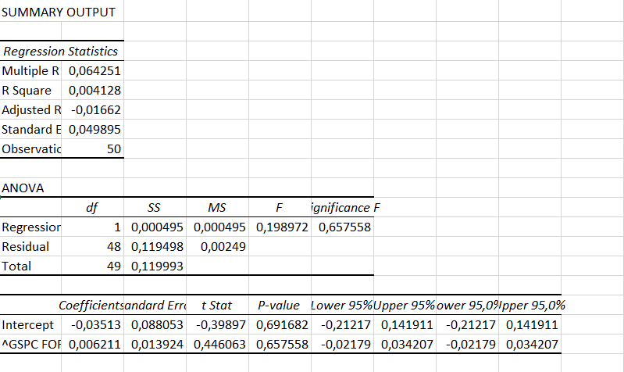
1 | 1/26/2026 | 0.04 | 6,939
1 | 1/19/2026 | -0.04 | 6,916
1 | 1/12/2026 | -0.02 | 6,940
1 | 1/5/2026 | 0.03 | 6,966
1 | 12/29/2025 | -0.01 | 6,858
1 | 12/22/2025 | -0.04 | 6,930
 | 12/15/2025 | 0.01 | 6,835
 | 12/8/2025 | 0.09 | 6,827
 | 12/1/2025 | 0.03 | 6,870
 | 11/24/2025 | -0.04 | 6,849
 | 11/17/2025 | 0.05 | 6,603
 | 11/10/2025 | 0.04 | 6,734
 | 11/3/2025 | -0.001 | 6,729
 | 10/27/2025 | -0.01 | 6,840
 | 10/20/2025 | 0.02 | 6,792
 | 10/13/2025 | -0.04 | 6,664
 | 10/6/2025 | 0.02 | 6,553
 | 9/29/2025 | -0.06 | 6,716
 | 9/22/2025 | -0.05 | 6,644
 | 9/15/2025 | 0.02 | 6,664
 | 9/8/2025 | -0.01 | 6,584
 | 9/1/2025 | -0.03 | 6,482
 | 8/25/2025 | 0.03 | 6,460
 | 8/18/2025 | 0.04 | 6,467
 | 8/11/2025 | 0.07 | 6,450
 | 8/4/2025 | -0.11 | 6,389
 | 7/28/2025 | 0.11 | 6,238
 | 7/21/2025 | -0.05 | 6,389
 | 7/14/2025 | 0.06 | 6,297
 | 7/7/2025 | -0.01 | 6,260
 | 6/30/2025 | 0.05 | 6,279
 | 6/23/2025 | -0.02 | 6,173
 | 6/16/2025 | -0.03 | 5,968
 | 6/9/2025 | -0.04 | 5,977
 | 6/2/2025 | 0.08 | 6,000
 | 5/26/2025 | -0.07 | 5,912
 | 5/19/2025 | 0.01 | 5,803
 | 5/12/2025 | 0.03 | 5,958
 | 5/5/2025 | -0.02 | 5,660
 | 4/28/2025 | 0.10 | 5,687
 | 4/21/2025 | 0.04 | 5,525
 | 4/14/2025 | -0.03 | 5,283
 | 4/7/2025 | -0.09 | 5,363
 | 3/31/2025 | -0.04 | 5,074
 | 3/24/2025 | -0.05 | 5,581
 | 3/17/2025 | -0.01 | 5,668
 | 3/10/2025 | 0.04 | 5,639
 | 3/3/2025 | 0.05 | 5,770
 | 2/24/2025 | -0.01 | 5,955
 | 2/17/2025 | 0.07 | 6,013
 | 2/10/2025 |  | 6,115
 | 2/3/2025 |  | 6,026

